ID muestras
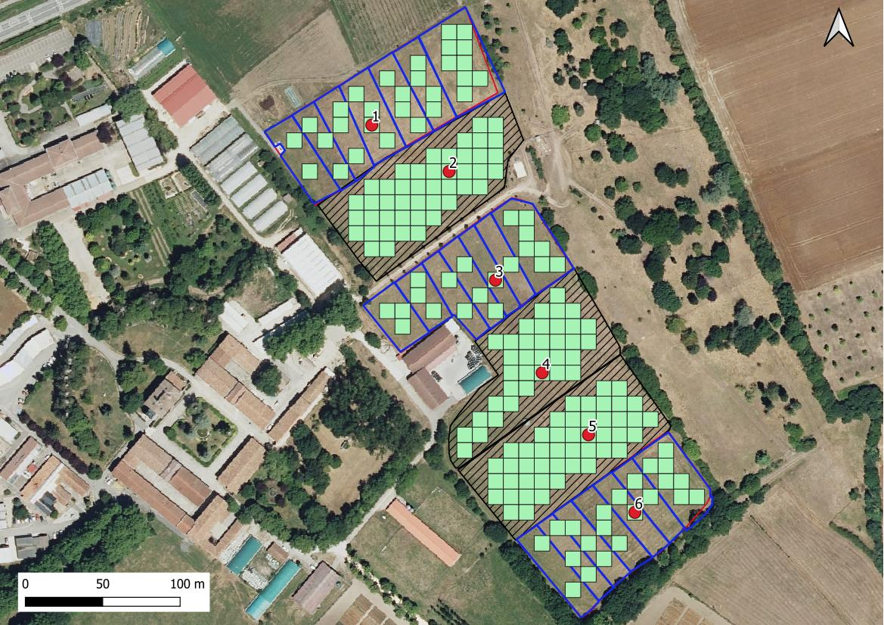
Fecha
muestreo | Muestras | LIMS | nº de muestreo | parcela | profundidad | manejo |  | ID
15-Oct-2024 | 109 | 24_10991 | 10 | 1 | 0-20 | rotacional | A | 10.1A
 | 110 | 24_10992 | 10 | 1 | 20-50 | rotacional | B | 10.1B
 | 111 | 24_10993 | 10 | 2 | 0-20 | libre | A | 10.2A
 | 112 | 24_10994 | 10 | 2 | 20-50 | libre | B | 10.2B
 | 113 | 24_10995 | 10 | 3 | 0-20 | rotacional | A | 10.3A
 | 114 | 24_10996 | 10 | 3 | 20-50 | rotacional | B | 10.3B
 | 115 | 24_10997 | 10 | 4 | 0-20 | libre | A | 10.4A
 | 116 | 24_10998 | 10 | 4 | 20-50 | libre | B | 10.4B
 | 117 | 24_10999 | 10 | 5 | 0-20 | libre | A | 10.5A
 | 118 | 24_11000 | 10 | 5 | 20-50 | libre | B | 10.5B
 | 119 | 24_11001 | 10 | 6 | 0-20 | rotacional | A | 10.6A
 | 120 | 24_11002 | 10 | 6 | 20-50 | rotacional | B | 10.6B

Penetrologger
...
 | PLOT1 | PLOT2 | PLOT3 | PLOT4 | PLOT5
 | Regenerativo
...
75 | 76 | 77 | 78 | 79 | 80
...

